Financial Projections
This spreadsheet will help you predict if your business model is financially viable. Don't worry about getting these estimates perfect. You're looking for ballpark numbers and you'll use experiments to validate whether or not they're true.

Annual Revenue

1. Customer Annual Value
How much revenue do you estimate your company will make for each customer?
Product Price |  |  | $
The price of your product or service |  |  | 11
Annual Purchases |  |  | # Purchases
Number of Annual Purchases an average customer will make with you their first year. For tips, expand the + here on the left side column. |  |  | 12
Total |  |  | $132

Annual Early Adopters
Number Of People
Reached Annually
% Of Interested
People
% Of Purchasing
Customers
2. Sales Conversion Rates
How many buying customers do you estimate your company will be able to get from your channels annually?

For tips, expand the + here on the left side column.
Early Adopter / Channel | # People Reached Annually | % Interested People | % Purchasing Customers
1.
 | Subtotal - Annual Early Adopters |  | 0
2.
 | Subtotal - Annual Early Adopters |  | 0
3.
 | Subtotal - Annual Early Adopters |  | 0
Total Annual Early Adopters |  |  | 0

Annual Expenses

3. Salaries
What will your future full time employees salary (and yours) be?
Founders' Salary |  | Salary ($/year) | # Founders
What is the minimum amount of money you, and the rest of your founders will need to make, to make it worth starting this business?
Roles & Job Positions |  | Salary ($/year) | # Employees
For tips and detailed calculations, expand the + here on the left side column.
Software Developer |  | 65,000 | 1
Marketing Manager
Graphic Designer
...

Number of employees and owners |  | 1
Subtotal - Salaries |  | 65,000
Taxes |  |  | %
Consider about 33% of the net salary (25% of gross salary) for: Federal taxes, Social Security and Medicare taxes. For specific and detailed calculations, expand the + here on the left side column. |  |  | 33.33%
Benefits Package |  |  | %
Consider about 30% of the net salary for benefits costs, such as paid leave (vacation, holidays, sick leave and personal), average employer contribution to retirement, etc. |  |  | 30.00%
Total Compensation |  | $106,165

4. Real Estate
How much space do you estimate your company will need and how much will it cost?
Office Space |  | # Employees | sq.ft/employee
Consider about 200 square feet per employee. If you won't need an office then set 0 sq.ft/employee. For specific and detailed calculations, expand the + here on the left side column. |  | 1 | 0
Retail, Warehouse, or Other Spaces |  |  | sq.ft
Total square foot size of the space needed. For tips, expand the + here on the left side column. |  |  | 0
Price per Square Foot per Year |  |  | $ / sq.ft
Consider about $27 per square foot per year (for an office). For specific and detailed calculations, expand the + here on the left side column. |  |  | 0.00
Utilities |  |  | $
Annual electricity (HVAC not included), internet, phone, gas, water, garbage and recycling expenses. Consider about $2 annually per square foot of office space |  |  | 0
Total |  |  | $0

5. Marketing
How much do you estimate your company will need to spend to acquire customers?
Advertisement
For each channel you hypothesized above, estimate the annual CAC (Customer Acquisition Cost) for every new customer you get using that channel. Select a CAC from the dropdown, or enter your own like "$23.45". Don't worry if you get an "invalid" warning if you enter a custom value. For more specific estimates, expand the + here on the left side column.
For more CAC estimates, open the 'Channel Estimates' Sheet.
Early Adopter / Channel | # Annual Early Adopters | CAC ($)
1. | 0
 | Subtotal - Cost | $0
2. | 0
 | Subtotal - Cost | $0
3. | 0
 | Subtotal - Cost | $0
PR & Offline Promotion |  |  | $
Events and conferences, travel expenses, communication & PR, branded material, business cards and stationery, etc. For tips, expand the + here on the left side column. |  |  | 0
Total |  |  | $0

6. Miscellaneous
How much do you estimate your company will spend to operate?
IT |  | # Employees | $/employee
Website hosting, hardware and software equipment, IT maintenance, training, etc... Consider about $2500 per employee annually |  | 1
Office supplies |  | # Employees | $/employee
Consumable items that workers regularly use to conduct business, such as paper goods, pens and staples, inks, toners, labels, etc… Consider $200 per employee yearly for highly digital businesses, and $1000 for businesses w/ high use of paper as law firms. For specific and detailed calculations, expand the + here on the left side column. |  | 1
Administration |  |  | $
Legal, attorney, CPA/tax advisor and other professional consultants fees, insurances, etc... Consider about $5000 annually. For specific and detailed calculations, expand the + here on the left side column.
Operative
Inventory, raw materials, parts, equipment lease payments, etc... For tips, expand the + here on the left side column.
Expense | Unit Cost | Units | Total
 |  |  | $0
 |  |  | $0
 |  |  | $0
 |  |  | $0
 |  |  | $0
 |  |  | $0
 |  |  | $0
Subtotal - Operative Expenses |  |  | $0
Fees |  |  | $
Commercial, franchise, postage & shipping costs, etc... For tips, specific and detailed calculations, expand the + here on the left side column.
Total |  |  | $0

Summary
Is Your Business Model Viable? ... estimating Early Majority

Diffusion of Innovation Ratios | Optimistic | Pessimistic | Average
Early Adopter % | 13.5% | 13.5% | 13.5%
Early Majority % | 34.0% | 0.0% | 17.0%
EM to EA Ratio | 2.52 | 0.00 | 1.26
Annual Revenue | $0 | $0 | $0
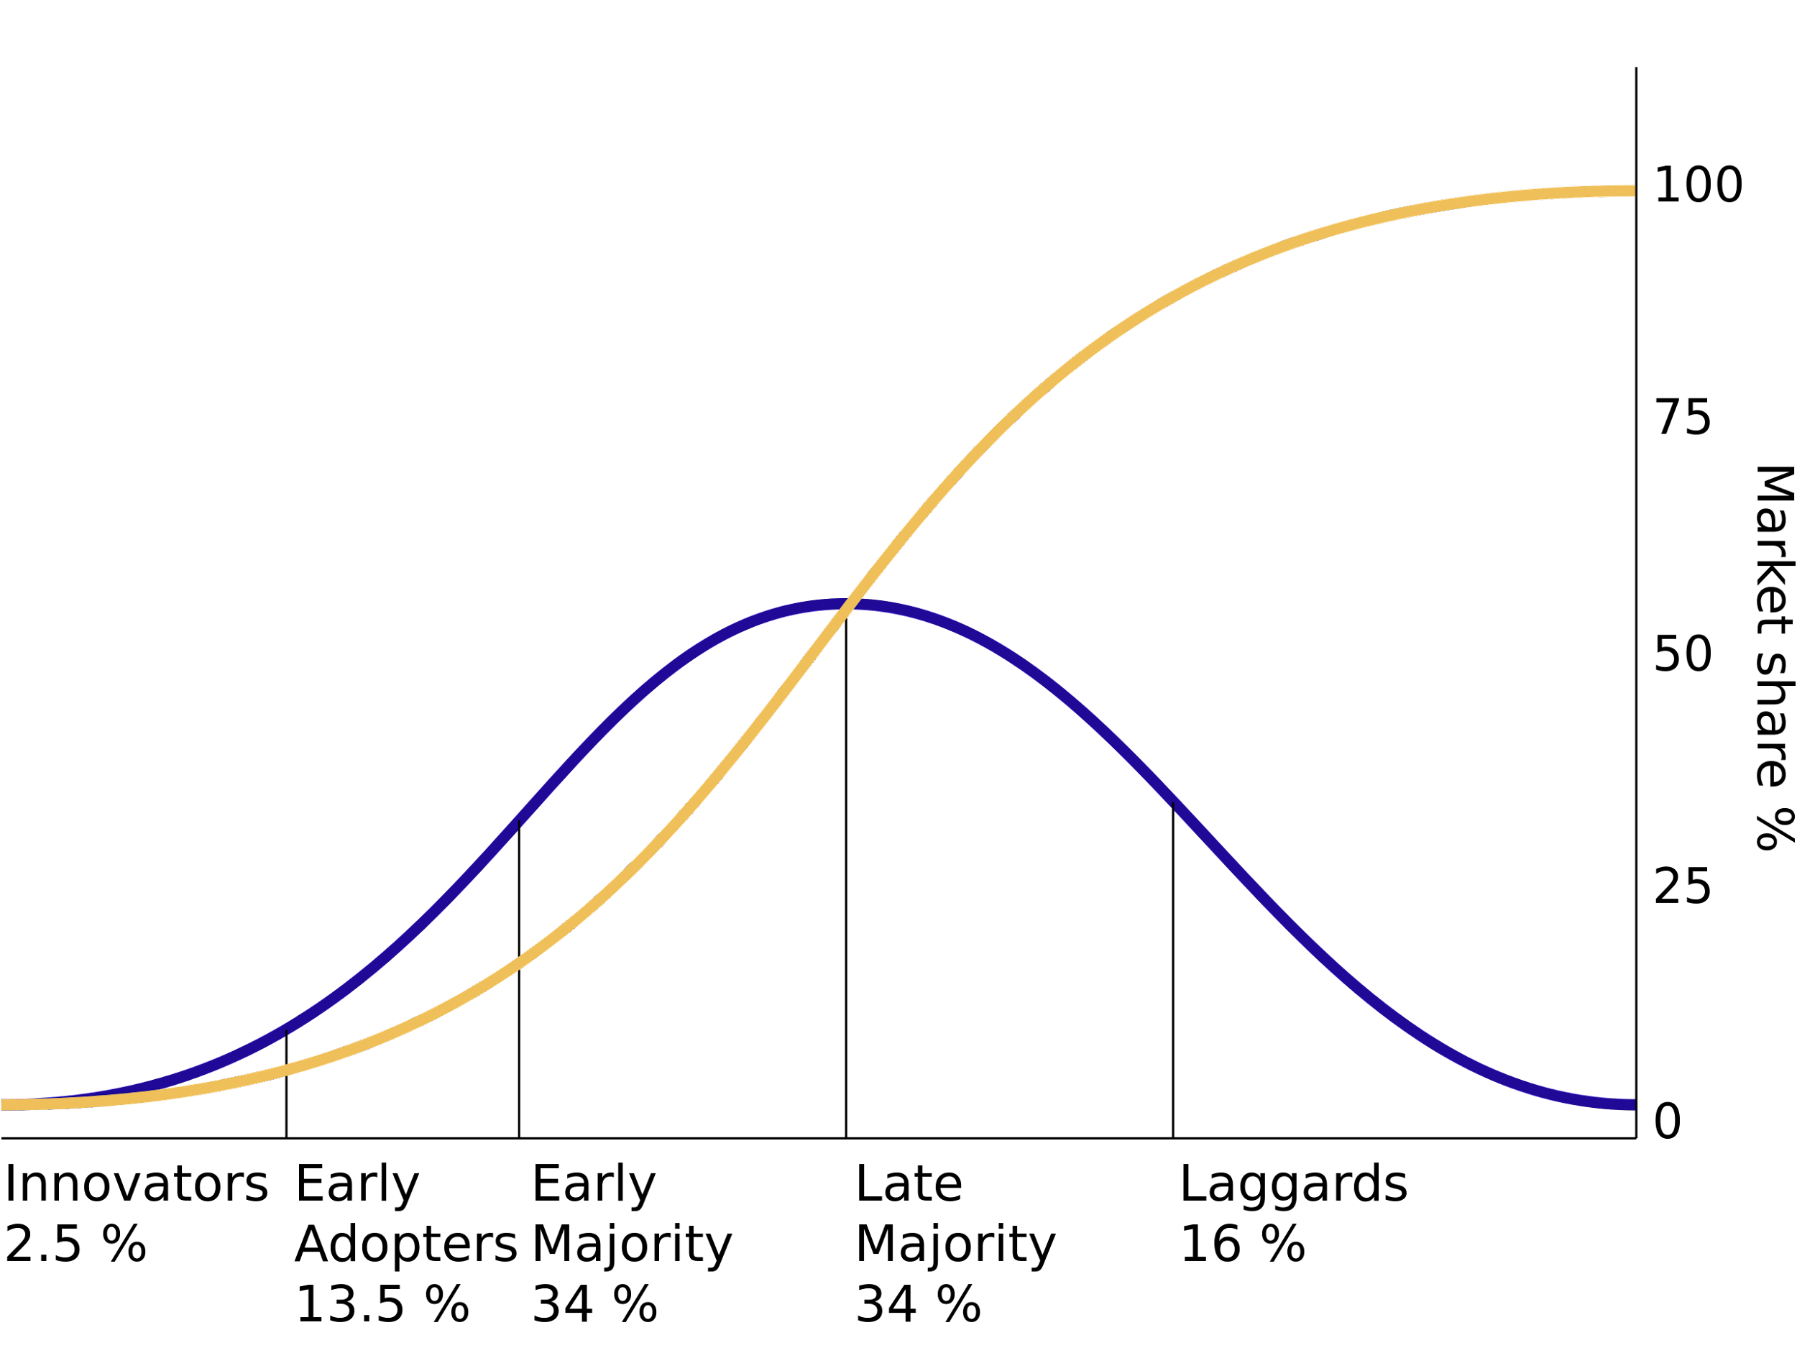
Annual Expenses | $106,165 | $106,165 | $106,165

Difference | -$106,165 | -$106,165 | -$106,165
Difference % | -100.00% | -100.00% | -100.00%

Based on your Financial Assumptions Your Business Model is NOT Viable Something needs to be changed. (Better to know now than later)

Annual Revenue vs Annual Expenses

Remember that the viability of your Business Model is based on assumptions (guesses, until proven otherwise) and approximations. Here below the main ones.

Main Assumptions & Inaccuracies
Early Majority will come the year after Early Adopters
First year's expenses (eg.: incorporation, patents, furnitures, etc...) are not drowned in following annual expenses
No accounting for Late Majority or Laggards
No accounting for late majority or laggards
Assumes only operating in 3 customer/channel combinations
Assumes same price for each customer/channel combination
Diffusion of Innovations ratios is from 1960's. Is it still right?

B2C Example Uber for Doctors
Example: Uber for Doctors
When you need to see a doctor but don't want, or can't, leave the house, use our "Uber for Doctors" app and a qualified healthcare provider will come to your house ASAP. Target Customers: Parents with sick kids aged 3 - 12.

Annual Revenue

1. Customer Annual Value
How much revenue do you estimate your company will make for each customer?
Product Price |  |  | $
The price of your product or service |  |  | 228
Annual Purchases |  |  | # Purchases
Number of Annual Purchases an average customer will make with you their first year. For tips, expand the + here on the left side column. |  |  | 12
Total |  |  | $2,736

Annual Early Adopters
Number Of People
Reached Annually
% Of Interested
People
% Of Purchasing
Customers
2. Sales Conversion Rates
How many buying customers do you estimate your company will be able to get from your channels annually?

For tips, expand the + here on the left side column.
Early Adopter / Channel | # People Reached Annually | % Interested People | % Purchasing Customers
1. Facebook Ads | 25,000 | 5.00% | 2.50%
 | Subtotal - Annual Early Adopters |  | 31
2. Google Ads | 25,000 | 5.00% | 2.50%
 | Subtotal - Annual Early Adopters |  | 31
3. Blog for managing child health as working parent | 50,000 | 5.00% | 5.00%
 | Subtotal - Annual Early Adopters |  | 125
Total Annual Early Adopters |  |  | 188

Annual Expenses

3. Salaries
What will your future full time employees salary (and yours) be?
Founders' Salary |  | Salary ($/year) | # Founders
What is the minimum amount of money you, and the rest of your founders will need to make, to make it worth starting this business? |  | 50,000 | 2
Roles & Job Positions |  | Salary ($/year) | # Employees
For tips and detailed calculations, expand the + here on the left side column.
Software Developer |  | 50,000 | 1

Number of employees and owners |  | 3
Subtotal - Salaries |  | 150,000
Taxes |  |  | %
Consider about 33% of the net salary (25% of gross salary) for: Federal taxes, Social Security and Medicare taxes. For specific and detailed calculations, expand the + here on the left side column. |  |  | 33.33%
Benefits Package |  |  | %
Consider about 30% of the net salary for benefits costs, such as paid leave (vacation, holidays, sick leave and personal), average employer contribution to retirement, etc. |  |  | 30.00%
Total Compensation |  | $244,995

4. Real Estate
How much space do you estimate your company will need and how much will it cost?
Office Space |  | # Employees | sq.ft/employee
Consider about 200 square feet per employee. If you won't need an office then set 0 sq.ft/employee. For specific and detailed calculations, expand the + here on the left side column. |  | 3 | 200
Retail, Warehouse, or Other Spaces |  |  | sq.ft
Total square foot size of the space needed. For tips, expand the + here on the left side column. |  |  | 0
Price per Square Foot per Year |  |  | $ / sq.ft
Consider about $27 per square foot per year (for an office). For specific and detailed calculations, expand the + here on the left side column. |  |  | 27.00
Utilities |  |  | $
Annual electricity (HVAC not included), internet, phone, gas, water, garbage and recycling expenses. Consider about $2 annually per square foot of office space |  |  | 400
Total |  |  | $16,600

5. Marketing
How much do you estimate your company will need to spend to acquire customers?
Advertisement
For each channel you hypotheized above, estimate the annual CAC (Customer Acquisition Cost) for every new customer you get using that channel. Select a CAC from the dropdown, or enter your own like "$23.45". Don't worry if you get an "invalid" warning if you enter a custom value. For more specific estimates, expand the + here on the left side column.
For more CAC estimates, open the 'Channel Estimates' Sheet.
Early Adopter / Channel | # Annual Early Adopters | CAC ($)
1. Facebook Ads | 31 | Facebook: $24.64
 | Subtotal - Cost | $770
2. Google Ads | 31 | Google Search (Mobile): $76.67
 | Subtotal - Cost | $2,396
3. Blog for managing child health as working parent | 125 | Free: Your Own (Blog, Website, ...): $0.00
 | Subtotal - Cost | $0
PR & Offline Promotion |  |  | $
Events and conferences, travel expenses, communication & PR, branded material, business cards and stationery, etc. For tips, expand the + here on the left side column.
Total |  |  | $3,166

6. Miscellaneous
How much do you estimate your company will spend to operate?
IT |  | # Employees | $/employee
Website hosting, hardware and software equipment, IT maintenance, training, etc... Consider about $2500 per employee annually |  | 3 | 2,500
Office supplies |  | # Employees | $/employee
Consumable items that workers regularly use to conduct business, such as paper goods, pens and staples, inks, toners, labels, etc… Consider $200 per employee yearly for highly digital businesses, and $1000 for businesses w/ high use of paper as law firms. For specific and detailed calculations, expand the + here on the left side column. |  | 3 | 200
Adminisration |  |  | $
Legal, attorney, CPA/tax advisor and other professional consultants fees, insurances, etc... Consider about $5000 annually. For specific and detailed calculations, expand the + here on the left side column. |  |  | 5,000
Operative
Inventory, raw materials, parts, equipment lease payments, etc... For tips, expand the + here on the left side column.
Expense | Unit Cost | Units | Total
Contracted doctors visits | $50.00 | 563 | $28,125
Servers | $750.00 | 12 | $9,000
 |  |  | $0
 |  |  | $0
 |  |  | $0
 |  |  | $0
 |  |  | $0
Subtotal - Operative Expenses |  |  | $37,125
Fees |  |  | $
Commercial, franchise, postage & shipping costs, etc... For tips, specific and detailed calculations, expand the + here on the left side column.
Total |  |  | $50,225

Summary
Is Your Business Model Viable? ... estimating Early Majority

Diffusion of Innovation Ratios | Optimistic | Pessimistic | Average
Early Adopter % | 13.5% | 13.5% | 13.5%
Early Majority % | 34.0% | 0.0% | 17.0%
EM to EA Ratio | 2.52 | 0.00 | 1.26
Annual Revenue | $1,805,000 | $513,000 | $1,159,000
Annual Expenses | $314,986 | $314,986 | $314,986

Difference | $1,490,014 | $198,014 | $844,014
Difference % | 473.04% | 62.86% | 267.95%

Congratulations! Based on your Financial Assumptions Your Business Model is Viable

Annual Revenue vs Annual Expenses

Remember that the viability of your Business Model is based on assumptions (guesses, until proven otherwise) and approximations. Here below the main ones.

Main Assumptions & Inaccuracies
Early Majority will come the year after Early Adopters
First year's expenses (eg.: incorporation, patents, furnitures, etc...) are not drowned in following annual expenses
No accounting for Late Majority or Laggards
No accounting for late majority or laggards
Assumes only operating in 3 customer/channel combinations
Assumes same price for each customer/channel combination
Diffusion of Innovations ratios is from 1960's. Is it still right?

B2B Example Organic Cleaning Su
Example: Organic Cleaning Supplies
Low cost, large scale organic cleaning supplies for use at schools by janitorial staff. Target Customers: Maintanence departments at large universities with health conscious student populations.

Annual Revenue

1. Customer Annual Value
How much revenue do you estimate your company will make for each customer?
Product Price |  |  | $
The price of your product or service |  |  | 5,000
Annual Purchases |  |  | # Purchases
Number of Annual Purchases an average customer will make with you their first year. For tips, expand the + here on the left side column. |  |  | 3
Total |  |  | $15,000

Annual Early Adopters
Number Of People
Reached Annually
% Of Interested
People
% Of Purchasing
Customers
2. Sales Conversion Rates
How many buying customers do you estimate your company will be able to get from your channels annually?

For tips, expand the + here on the left side column.
Early Adopter / Channel | # People Reached Annually | % Interested People | % Purchasing Customers
1. Trade Publications | 25,000 | 1.00% | 3.00%
 | Subtotal - Annual Early Adopters |  | 8
2. Cold Calls | 100 | 10.00% | 5.00%
 | Subtotal - Annual Early Adopters |  | 1
3. Mailers | 5,000 | 5.00% | 5.00%
 | Subtotal - Annual Early Adopters |  | 13
Total Annual Early Adopters |  |  | 21

Annual Expenses

3. Salaries
What will your future full time employees salary (and yours) be?
Founders' Salary |  | Salary ($/year) | # Founders
What is the minimum amount of money you, and the rest of your founders will need to make, to make it worth starting this business? |  | 50,000 | 2
Roles & Job Positions |  | Salary ($/year) | # Employees
For tips and detailed calculations, expand the + here on the left side column.
Sales person |  | 65,000 | 1
Graphic / Web designer |  | 65,000 | 1
Warehouse/shipping manager |  | 50,000 | 1
Chemical engineer |  | 85,000 | 1
Bottler |  | 50,000 | 1

Number of employees and owners |  | 7
Subtotal - Salaries |  | 415,000
Taxes |  |  | %
Consider about 33% of the net salary (25% of gross salary) for: Federal taxes, Social Security and Medicare taxes. For specific and detailed calculations, expand the + here on the left side column. |  |  | 33.33%
Benefits Package |  |  | %
Consider about 30% of the net salary for benefits costs, such as paid leave (vacation, holidays, sick leave and personal), average employer contribution to retirement, etc. |  |  | 30.00%
Total Compensation |  | $677,820

4. Real Estate
How much space do you estimate your company will need and how much will it cost?
Office Space |  | # Employees | sq.ft/employee
Consider about 200 square feet per employee. If you won't need an office then set 0 sq.ft/employee. For specific and detailed calculations, expand the + here on the left side column. |  | 7 | 200
Retail, Warehouse, or Other Spaces |  |  | sq.ft
Total square foot size of the space needed. For tips, expand the + here on the left side column. |  |  | 3,000
Price per Square Foot per Year |  |  | $ / sq.ft
Consider about $27 per square foot per year (for an office). For specific and detailed calculations, expand the + here on the left side column. |  |  | 5.69 | Source: https://www.statista.com/statistics/626555/average-rent-per-square-foot-paid-for-industrial-space-usa-by-type/
Utilities |  |  | $
Annual electricity (HVAC not included), internet, phone, gas, water, garbage and recycling expenses. Consider about $2 annually per square foot of office space |  |  | 400
Total |  |  | $25,436

5. Marketing
How much do you estimate your company will need to spend to acquire customers?
Advertisement
For each channel you hypotheized above, estimate the annual CAC (Customer Acquisition Cost) for every new customer you get using that channel. Select a CAC from the dropdown, or enter your own like "$23.45". Don't worry if you get an "invalid" warning if you enter a custom value. For more specific estimates, expand the + here on the left side column.
For more CAC estimates, open the 'Channel Estimates' Sheet.
Early Adopter / Channel | # Annual Early Adopters | CAC ($)
1. Trade Publications | 8 | 1,333.33
 | Subtotal - Cost | $10,000
2. Cold Calls | 1 | Free: Your Own (Blog, Website, ...): $0.00
 | Subtotal - Cost | $0
3. Mailers | 13 | 1,600
 | Subtotal - Cost | $20,000
PR & Offline Promotion |  |  | $
Events and conferences, travel expenses, communication & PR, branded material, business cards and stationery, etc. For tips, expand the + here on the left side column. |  |  | 10,000
Total |  |  | $40,000

6. Miscellaneous
How much do you estimate your company will spend to operate?
IT |  | # Employees | $/employee
Website hosting, hardware and software equipment, IT maintenance, training, etc... Consider about $2500 per employee annually |  | 7 | 2,500
Office supplies |  | # Employees | $/employee
Consumable items that workers regularly use to conduct business, such as paper goods, pens and staples, inks, toners, labels, etc… Consider $200 per employee yearly for highly digital businesses, and $1000 for businesses w/ high use of paper as law firms. For specific and detailed calculations, expand the + here on the left side column. |  | 7 | 200
Adminisration |  |  | $
Legal, attorney, CPA/tax advisor and other professional consultants fees, insurances, etc... Consider about $5000 annually. For specific and detailed calculations, expand the + here on the left side column. |  |  | 5,000
Operative
Inventory, raw materials, parts, equipment lease payments, etc... For tips, expand the + here on the left side column.
Expense | Unit Cost | Units | Total
Organic soap chemicals | $100.00 | 615 | $61,500
Bottles | $5,000.00 | 6 | $30,750
Labels | $0.21 | 615 | $129
Water | $0.03 | 615 | $18
 |  |  | $0
 |  |  | $0
 |  |  | $0
Subtotal - Operative Expenses |  |  | $92,398
Fees |  |  | $
Commercial, franchise, postage & shipping costs, etc... For tips, specific and detailed calculations, expand the + here on the left side column. |  |  | 15,375
Total |  |  | $131,673

Summary
Is Your Business Model Viable? ... estimating Early Majority

Diffusion of Innovation Ratios | Optimistic | Pessimistic | Average
Early Adopter % | 13.5% | 13.5% | 13.5%
Early Majority % | 34.0% | 0.0% | 17.0%
EM to EA Ratio | 2.52 | 0.00 | 1.26
Annual Revenue | $1,081,944 | $307,500 | $694,722
Annual Expenses | $874,928 | $874,928 | $874,928

Difference | $207,016 | -$567,428 | -$180,206
Difference % | 23.66% | -64.85% | -20.60%

Hmm... Based on your Financial Assumptions Your Business Model is NOT fully Viable Something needs to be tweaked.

Annual Revenue vs Annual Expenses

Remember that the viability of your Business Model is based on assumptions (guesses, until proven otherwise) and approximations. Here below the main ones.

Main Assumptions & Inaccuracies
Early Majority will come the year after Early Adopters
First year's expenses (eg.: incorporation, patents, furnitures, etc...) are not drowned in following annual expenses
No accounting for Late Majority or Laggards
No accounting for late majority or laggards
Assumes only operating in 3 customer/channel combinations
Assumes same price for each customer/channel combination
Diffusion of Innovations ratios is from 1960's. Is it still right?

